Specification
 |  |  |  |  |  |  |  |  |  |  |  |  |  | 2,095,767.70 € | 21286
SEASON | ARTICLE | IMAGE 1 | FULL ARTICLE | COLOR | COLOR DESCRIPTION | PRODUCT NAME | SUPPL. CATEGORY | SUPPL. DESCRIPTION | PARENT GROUP | GENDER | BRAND | MADE IN | RRP | tot | CONFIRMED qty
SS | A177273 | 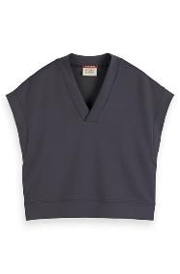 | A1772731 | 1 | ANTRA | SWEATSHIRT | SWEATERS AND CARDIGANS | V-NECK SLEEVELESS MODAL SWEATSHIRT ANTRA | ADULT | FEMALE | SCOTCH&SODA | NO INFO | €79.95 | €1,519.05 | 19
FW | MY9B00025T | 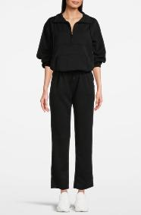 | MY9B00025T1 | 1 | BLACK | SWEATSHIRT | SWEATERS AND CARDIGANS | MOCK NECK HOODED SWEATSHIRT BLACK | ADULT | FEMALE | SCOTCH&SODA | NO INFO | €109.95 | €16,492.50 | 150
SS | M177273 |  | M1772731 | 1 | ANTRA | SWEATSHIRT | SWEATERS AND CARDIGANS | V-NECK SLEEVELESS MODAL SWEATSHIRT ANTRA | ADULT | FEMALE | SCOTCH&SODA | NO INFO | €79.95 | €2,798.25 | 35
SS | M177278 | 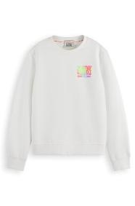 | M1772781 | 1 | WHITE | SWEATSHIRT | SWEATERS AND CARDIGANS | REGULAR FIT LEFT CHEST ARTWORK SWEATSHIRT WHITE | ADULT | FEMALE | SCOTCH&SODA | NO INFO | €89.95 | €4,587.45 | 51
SS | M177281 | 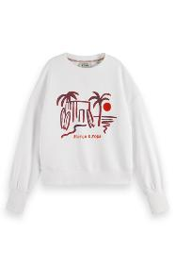 | M1772811 | 1 | WHITE | SWEATSHIRT | SWEATERS AND CARDIGANS | SLOUCHY PUFFED SLEEVED GRAPHIC SWEATSHIRT WHITE | ADULT | FEMALE | SCOTCH&SODA | NO INFO | €99.95 | €6,396.80 | 64
SS | M177273 | 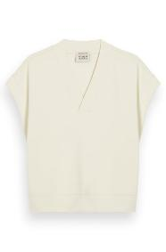 | M1772732 | 2 | SOFT ICE | SWEATSHIRT | SWEATERS AND CARDIGANS | V-NECK SLEEVELESS MODAL SWEATSHIRT SOFT ICE | ADULT | FEMALE | SCOTCH&SODA | NO INFO | €79.95 | €559.65 | 7
SS | M177276 | 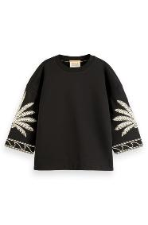 | M1772761 | 1 | EVENING BLACK | SWEATSHIRT | SWEATERS AND CARDIGANS | EMBROIDERED SWEATSHIRT EVENING BLACK | ADULT | FEMALE | SCOTCH&SODA | NO INFO | €129.95 | €519.80 | 4
SS | M177415 | 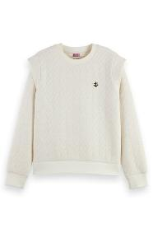 | M1774151 | 1 | ECRU | SWEATSHIRT | SWEATERS AND CARDIGANS | BONDED ROPE PATTERN SWEATSHIRT SOFT ICE MELANGE | ADULT | FEMALE | SCOTCH&SODA | NO INFO | €109.95 | €659.70 | 6
FW | A168834 | 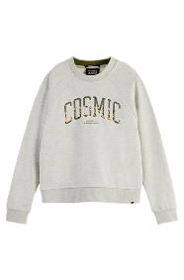 | A1688341 | 1 | ECRU | SWEATSHIRT | SWEATERS AND CARDIGANS | REGULAR FIT RAGLAN CREWNECK SWEATER GREY MELANGE | ADULT | FEMALE | SCOTCH&SODA | NO INFO | €105.95 | €105.95 | 1
SS | A177277 | 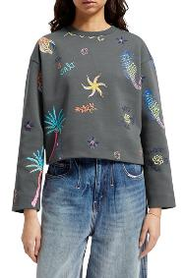 | A1772771 | 1 | GREY | SWEATSHIRT | SWEATERS AND CARDIGANS | BOXY FIT EMBROIDERED SWEATSHIRT ANTRA | ADULT | FEMALE | SCOTCH&SODA | NO INFO | €129.95 | €129.95 | 1
SS | A177278 | 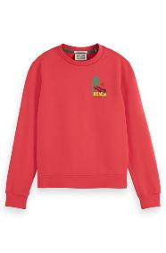 | A1772782 | 2 | RED | SWEATSHIRT | SWEATERS AND CARDIGANS | REGULAR FIT LEFT CHEST ARTWORK SWEATSHIRT FIERY ROSE | ADULT | FEMALE | SCOTCH&SODA | NO INFO | €89.95 | €89.95 | 1
SS | M177272 | 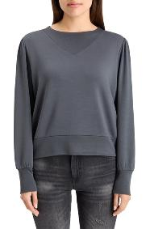 | M1772722 | 2 | GREY | SWEATSHIRT | SWEATERS AND CARDIGANS | RUCHED YOKE SEAM MODAL SWEATSHIRT ANTRA | ADULT | FEMALE | SCOTCH&SODA | NO INFO | €89.95 | €179.90 | 2
SS | M177273 | 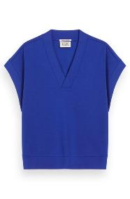 | M1772734 | 4 | NAVY | SWEATSHIRT | SWEATERS AND CARDIGANS | V-NECK SLEEVELESS MODAL SWEATSHIRT ELECTRIC BLUE | ADULT | FEMALE | SCOTCH&SODA | NO INFO | €79.95 | €159.90 | 2
SS | M177275 | 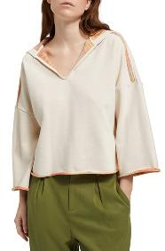 | M1772751 | 1 | BEIGE | SWEATSHIRT | SWEATERS AND CARDIGANS | SLOUCHY FIT SHOULDER DETAIL HOODIE SOFT ICE | ADULT | FEMALE | SCOTCH&SODA | NO INFO | €99.95 | €599.70 | 6
FW | ASFA24VMP15446 | 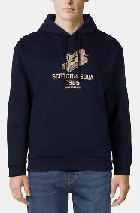 | ASFA24VMP154461 | 1 | NAVY | SWEATSHIRT | SWEATERS AND CARDIGANS | RELAXED FIT FLEECE GRAPHIC HOODIE NIGHT | ADULT | MALE | SCOTCH&SODA | NO INFO | €99.95 | €29,885.05 | 299
FW | ASFA24VMP15447 | 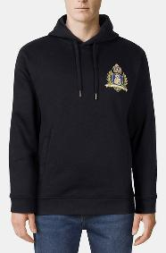 | ASFA24VMP154471 | 1 | BLACK | SWEATSHIRT | SWEATERS AND CARDIGANS | RELAXED FIT GRAPHIC FLEECE HOODIE BLACK | ADULT | MALE | SCOTCH&SODA | NO INFO | €99.95 | €22,488.75 | 225
FW | A175351 | 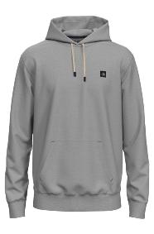 | A1753513 | 3 | GREY | SWEATSHIRT | SWEATERS AND CARDIGANS | REGULAR FIT ESSENTIAL BADGE HOODIE IN ORGANIC COTTON GREY ME | ADULT | MALE | SCOTCH&SODA | NO INFO | €119.95 | €359.85 | 3
SS | A175540 | 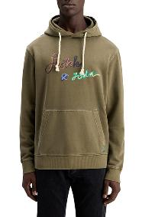 | A1755402 | 2 | GREEN | SWEATSHIRT | SWEATERS AND CARDIGANS | GARMENT-DYED LOGO HOODIE ALGAE | ADULT | MALE | SCOTCH&SODA | NO INFO | €129.95 | €259.90 | 2
SS | A175675 | 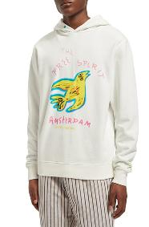 | A1756751 | 1 | WHITE | SWEATSHIRT | SWEATERS AND CARDIGANS | FREE SPIRIT ARTWORK HOODIE SWAN | ADULT | MALE | SCOTCH&SODA | NO INFO | €119.95 | €479.80 | 4
SS | A175693 | 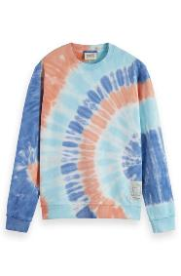 | A1756931 | 1 | MULTICOLOUR | SWEATSHIRT | SWEATERS AND CARDIGANS | TIE-DYED SWEATSHIRT PINK/ BLUE TIE DYE | ADULT | MALE | SCOTCH&SODA | NO INFO | €129.95 | €259.90 | 2
SS | A176894 | 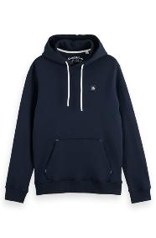 | A1768941 | 1 | NAVY | SWEATSHIRT | SWEATERS AND CARDIGANS | ESSENTIAL LOGO BADGE HOODIE NIGHT | ADULT | MALE | SCOTCH&SODA | NO INFO | €99.95 | €399.80 | 4
FW | A167221 | 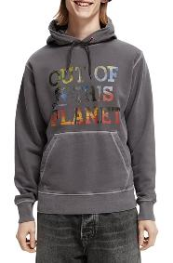 | A1672213 | 3 | GREY | SWEATSHIRT | SWEATERS AND CARDIGANS | GARMENT-DYED GRAPHIC HOODIE GRAPHITE | ADULT | MALE | SCOTCH&SODA | NO INFO | €119.95 | €119.95 | 1
SS | A169911 | 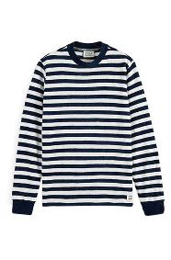 | A1699111 | 1 | NAVY | SWEATSHIRT | SWEATERS AND CARDIGANS | TEXTURED STRIPE SWEATSHIRT COMBO B | ADULT | MALE | SCOTCH&SODA | NO INFO | €105.95 | €105.95 | 1
FW | A172974 | 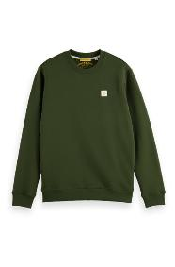 | A1729742 | 2 | GREEN | SWEATSHIRT | SWEATERS AND CARDIGANS | ESSENTIALS LOGO BADGE CREW NECK SWEAT FIELD GREEN | ADULT | MALE | SCOTCH&SODA | NO INFO | €89.95 | €89.95 | 1
FW | A174596 | 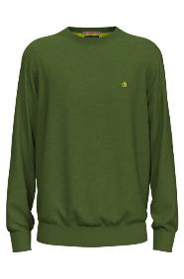 | A1745962 | 2 | GREEN | SWEATSHIRT | SWEATERS AND CARDIGANS | REGULAR FIT ESSENTIALS CREW IN ECO VERO MOJITO | ADULT | MALE | SCOTCH&SODA | NO INFO | €89.95 | €89.95 | 1
SS | A175530 | 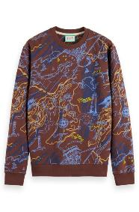 | A1755301 | 1 | MULTICOLOUR | SWEATSHIRT | SWEATERS AND CARDIGANS | ALL OVER PRINT SWEATSHIRT DRIFTWOOD SEA MAP AOP | ADULT | MALE | SCOTCH&SODA | NO INFO | €99.95 | €99.95 | 1
SS | A175530 | 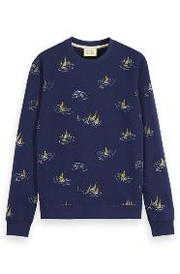 | A1755302 | 2 | NAVY | SWEATSHIRT | SWEATERS AND CARDIGANS | ALL OVER PRINT SWEATSHIRT NAVY BLUE SAILBOAT AOP | ADULT | MALE | SCOTCH&SODA | NO INFO | €99.95 | €199.90 | 2
SS | A175531 | 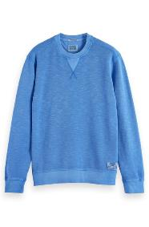 | A1755311 | 1 | BLUE | SWEATSHIRT | SWEATERS AND CARDIGANS | GARMENT-DYED STRUCTURED SWEATSHIRT TILE BLUE | ADULT | MALE | SCOTCH&SODA | NO INFO | €99.95 | €299.85 | 3
SS | A175531 | 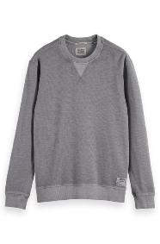 | A1755313 | 3 | GREY | SWEATSHIRT | SWEATERS AND CARDIGANS | GARMENT-DYED STRUCTURED SWEATSHIRT SEAL GREY | ADULT | MALE | SCOTCH&SODA | NO INFO | €99.95 | €99.95 | 1
SS | A175540 | 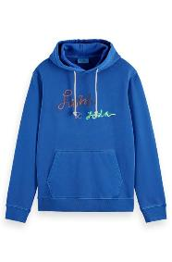 | A1755401 | 1 | BLUE | SWEATSHIRT | SWEATERS AND CARDIGANS | GARMENT-DYED LOGO HOODIE BOAT BLUE | ADULT | MALE | SCOTCH&SODA | NO INFO | €129.95 | €259.90 | 2
SS | A175676 | 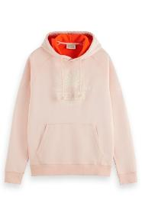 | A1756761 | 1 | PINK | SWEATSHIRT | SWEATERS AND CARDIGANS | CONTRAST LOOPS ARTWORK HOODIE SHELL | ADULT | MALE | SCOTCH&SODA | NO INFO | €129.95 | €519.80 | 4
SS | A175681 | 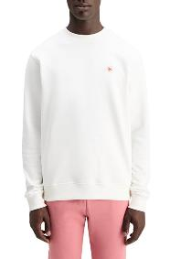 | A1756812 | 2 | WHITE | SWEATSHIRT | SWEATERS AND CARDIGANS | ESSENTIAL LOGO BADGE SWEATSHIR SWAN | ADULT | MALE | SCOTCH&SODA | NO INFO | €79.95 | €159.90 | 2
SS | A175681 | 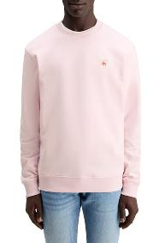 | A1756814 | 4 | PINK | SWEATSHIRT | SWEATERS AND CARDIGANS | ESSENTIAL LOGO BADGE SWEATSHIR SEA FLOWER | ADULT | MALE | SCOTCH&SODA | NO INFO | €79.95 | €79.95 | 1
SS | A175691 | 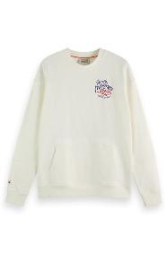 | A1756911 | 1 | ECRU | SWEATSHIRT | SWEATERS AND CARDIGANS | FRONT BACK BANDANA ARTWORK SWEATSHIRT SWAN | ADULT | MALE | SCOTCH&SODA | NO INFO | €139.95 | €139.95 | 1
SS | A176894 | 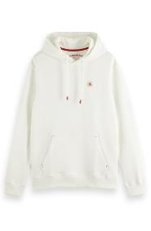 | A1768943 | 3 | ECRU | SWEATSHIRT | SWEATERS AND CARDIGANS | ESSENTIAL LOGO BADGE HOODIE SWAN | ADULT | MALE | SCOTCH&SODA | NO INFO | €99.95 | €499.75 | 5
SS | A176895 | 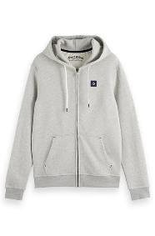 | A1768952 | 2 | GREY | SWEATSHIRT | SWEATERS AND CARDIGANS | ESSENTIAL LOGO BADGE ZIP-THROU GREY MELANGE | ADULT | MALE | SCOTCH&SODA | NO INFO | €129.95 | €129.95 | 1
SS | A177326 | 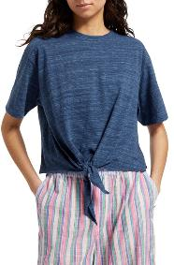 | A1773261 | 1 | BLUE | T-SHIRT | SHIRTS AND TOPS | BOXY FIT TIE FRONT MARL T-SHIRT STARNIGHT BLUE | ADULT | FEMALE | SCOTCH&SODA | NO INFO | €59.95 | €479.60 | 8
SS | A177324 | 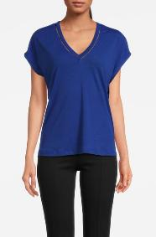 | A1773243 | 3 | BLUE | T-SHIRT | SHIRTS AND TOPS | V-NECK LADDER DETAIL LOOSE FIT T-SHIRT ELECTRIC BLUE | ADULT | FEMALE | SCOTCH&SODA | NO INFO | €59.95 | €1,378.85 | 23
SS | A177410 | 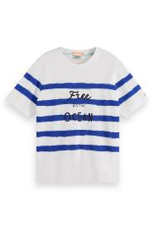 | A1774101 | 1 | MULTICOLOUR | T-SHIRT | SHIRTS AND TOPS | BRETON STRIPE RELAXED FIT T-SHIRT BRETON STRIPE | ADULT | FEMALE | SCOTCH&SODA | NO INFO | €65.95 | €1,187.10 | 18
SS | M177324 | 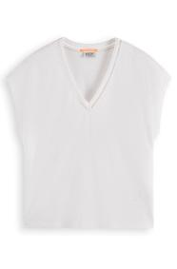 | M1773241 | 1 | WHITE | T-SHIRT | SHIRTS AND TOPS | V-NECK LADDER DETAIL LOOSE FIT T-SHIRT WHITE | ADULT | FEMALE | SCOTCH&SODA | NO INFO | €59.95 | €3,537.05 | 59
SS | M177325 | 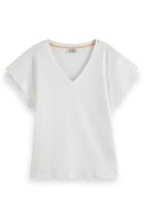 | M1773251 | 1 | WHITE | T-SHIRT | SHIRTS AND TOPS | LAYERED SLEEVE BOAT NECK T-SHIRT WHITE | ADULT | FEMALE | SCOTCH&SODA | NO INFO | €59.95 | €6,054.95 | 101
SS | M177382 | 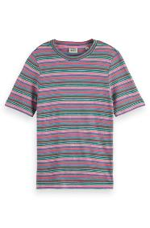 | M1773821 | 1 | MULTICOLOUR | T-SHIRT | SHIRTS AND TOPS | TEXTURED STRIPE SLIM FIT T-SHIRT BEACH STRIPE | ADULT | FEMALE | SCOTCH&SODA | NO INFO | €55.95 | €8,784.15 | 157
SS | A177325 |  | A1773251 | 1 | WHITE | T-SHIRT | SHIRTS AND TOPS | LAYERED SLEEVE BOAT NECK T-SHIRT WHITE | ADULT | FEMALE | SCOTCH&SODA | NO INFO | €59.95 | €299.75 | 5
SS | A169685 | 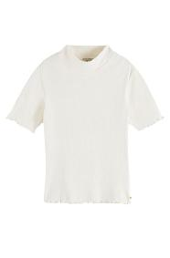 | A1696854 | 4 | WHITE | T-SHIRT | SHIRTS AND TOPS | RIBBED MOCK NECK T-SHIRT VANILLA WHITE | ADULT | FEMALE | SCOTCH&SODA | NO INFO | €55.95 | €111.90 | 2
SS | A171790 | 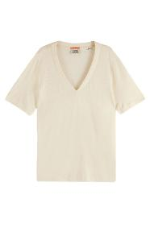 | A1717902 | 2 | BEIGE | T-SHIRT | SHIRTS AND TOPS | SOFT V-NECK T-SHIRT ARCTIC WHITE | ADULT | FEMALE | SCOTCH&SODA | NO INFO | €59.95 | €59.95 | 1
FW | A174821 | 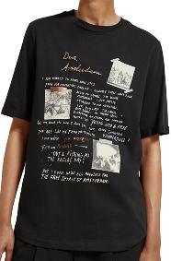 | A1748212 | 2 | BLACK | T-SHIRT | SHIRTS AND TOPS | DEAR AMSTERDAM RELAXED FIT T-SHIRT EVENING BLACK | ADULT | FEMALE | SCOTCH&SODA | NO INFO | €59.95 | €59.95 | 1
SS | A177377 | 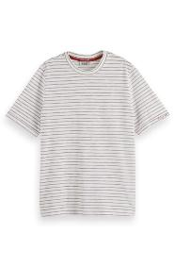 | A1773771 | 1 | WHITE | T-SHIRT | SHIRTS AND TOPS | RELAXED FIT LUREX STRIPE T-SHIRT WHITE | ADULT | FEMALE | SCOTCH&SODA | NO INFO | €55.95 | €111.90 | 2
SS | M176282 | 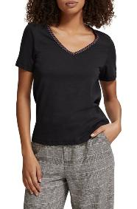 | M1762821 | 1 | BLACK | T-SHIRT | SHIRTS AND TOPS | WOVEN TRIM V-NECK T-SHIRT EVENING BLACK | ADULT | FEMALE | SCOTCH&SODA | NO INFO | €39.95 | €39.95 | 1
FW | M176900 | 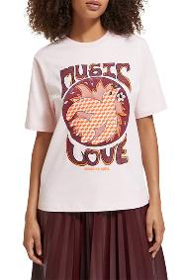 | M1769001 | 1 | MULTICOLOUR | T-SHIRT | SHIRTS AND TOPS | FRONT ARTWORK RELAXED FIT T-SHIRT PALE PINK | ADULT | FEMALE | SCOTCH&SODA | NO INFO | €79.95 | €79.95 | 1
SS | M177409 | 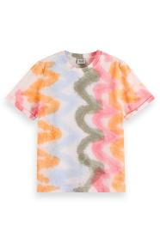 | M1774091 | 1 | MULTICOLOUR | T-SHIRT | SHIRTS AND TOPS | REGULAR FIT TIE DYE T-SHIRT SPIRAL DYE | ADULT | FEMALE | SCOTCH&SODA | NO INFO | €75.95 | €151.90 | 2
SS | M179174 | 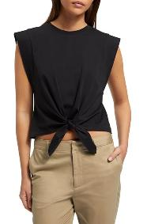 | M1791741 | 1 | BLACK | T-SHIRT | SHIRTS AND TOPS | SLEEVELESS KNOTTED T-SHIRT BLACK | ADULT | FEMALE | SCOTCH&SODA | NO INFO | €59.95 | €59.95 | 1
SS | A175644 | 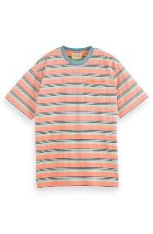 | A1756441 | 1 | MULTICOLOUR | T-SHIRT | T-SHIRTS | YARN DYE STRIPE POCKET T-SHIRT PEACH GREEN MULTISTRIPE | ADULT | MALE | SCOTCH&SODA | NO INFO | €59.95 | €9,352.20 | 156
SS | A176738 |  | A1767381 | 1 | MULTICOLOUR | T-SHIRT | T-SHIRTS | TIE DYE T-SHIRT MULTI TIE DYE | ADULT | MALE | SCOTCH&SODA | NO INFO | €69.95 | €1,399.00 | 20
FW | ASFA24VMT10596 |  | ASFA24VMT105962 | 2 | CAPPUCHINO | T-SHIRT | T-SHIRTS | GARMENT DYED SS POCKET TEE CAPPUCHINO | ADULT | MALE | SCOTCH&SODA | NO INFO | €39.95 | €3,995.00 | 100
FW | ASFA24VMT10596 |  | ASFA24VMT105963 | 3 | GREEN | T-SHIRT | T-SHIRTS | GARMENT DYED SS POCKET TEE MOSS GREEN | ADULT | MALE | SCOTCH&SODA | NO INFO | €39.95 | €4,953.80 | 124
FW | ASFA24VMT10596 |  | ASFA24VMT105964 | 4 | NAVY | T-SHIRT | T-SHIRTS | GARMENT DYED SS POCKET TEE DARK BLUE | ADULT | MALE | SCOTCH&SODA | NO INFO | €39.95 | €9,987.50 | 250
FW | ASFA24VMT10596 |  | ASFA24VMT105965 | 5 | RED | T-SHIRT | T-SHIRTS | GARMENT DYED SS POCKET TEE WINE | ADULT | MALE | SCOTCH&SODA | NO INFO | €39.95 | €5,952.55 | 149
FW | ASFA24VMT10596 |  | ASFA24VMT105966 | 6 | GREY | T-SHIRT | T-SHIRTS | GARMENT DYED SS POCKET TEE ASPHALT | ADULT | MALE | SCOTCH&SODA | NO INFO | €39.95 | €9,947.55 | 249
FW | ASFA24VMT10596 |  | ASFA24VMT105967 | 7 | GREEN | T-SHIRT | T-SHIRTS | GARMENT DYED SS POCKET TEE CYPRESS GREEN | ADULT | MALE | SCOTCH&SODA | NO INFO | €39.95 | €4,953.80 | 124
FW | ASFA24VMT10597 |  | ASFA24VMT105971 | 1 | MULTICOLOUR | T-SHIRT | T-SHIRTS | TEXTURED SPACEDYE STRIPE SS TEE BLACK | ADULT | MALE | SCOTCH&SODA | NO INFO | €39.95 | €4,993.75 | 125
FW | ASFA24VMT10597 |  | ASFA24VMT105973 | 3 | MULTICOLOUR | T-SHIRT | T-SHIRTS | TEXTURED SPACEDYE STRIPE SS TEE NIGHT | ADULT | MALE | SCOTCH&SODA | NO INFO | €39.95 | €4,953.80 | 124
FW | ASFA24VMT15459 |  | ASFA24VMT154591 | 1 | ECRU | T-SHIRT | T-SHIRTS | RELAXED FIT SS GRAPHIC TEE SWAN | ADULT | MALE | SCOTCH&SODA | NO INFO | €49.95 | €7,392.60 | 148
FW | ASFA24VMT15461 |  | ASFA24VMT154611 | 1 | BLACK | T-SHIRT | T-SHIRTS | RELAXED FIT SS GRAPHIC TEE BLACK | ADULT | MALE | SCOTCH&SODA | NO INFO | €39.95 | €5,992.50 | 150
FW | ASFA24VMT16833 |  | ASFA24VMT168332 | 2 | NAVY | T-SHIRT | T-SHIRTS | RELAXED FIT SS GRAPHIC TEE EVENING SKIES | ADULT | MALE | SCOTCH&SODA | NO INFO | €39.95 | €2,516.85 | 63
SS | A175577 |  | A1755771 | 1 | MULTICOLOUR | T-SHIRT | T-SHIRTS | STRUCTURED STRIPED T-SHIRT MULTICOLOUR STRIPE | ADULT | MALE | SCOTCH&SODA | NO INFO | €79.95 | €1,918.80 | 24
FW | A173036 |  | A1730362 | 2 | MULTICOLOUR | T-SHIRT | T-SHIRTS | BIG AOP T-SHIRT NOCTURNAL FLORAL MULTI | ADULT | MALE | SCOTCH&SODA | NO INFO | €59.95 | €59.95 | 1
FW | A174343 |  | A1743431 | 1 | ECRU | T-SHIRT | T-SHIRTS | THE FREE SPIRIT PEACE BIRD TIE-DYE ORGANIC COTTON T-SHIRT OF | ADULT | MALE | SCOTCH&SODA | NO INFO | €69.95 | €69.95 | 1
FW | A174581 |  | A1745811 | 1 | ECRU | T-SHIRT | T-SHIRTS | RELAXED FIT T-SHIRT WITH SPRAY EFFECT IN ORGANIC COTTON OFF | ADULT | MALE | SCOTCH&SODA | NO INFO | €69.95 | €69.95 | 1
FW | A174589 |  | A1745891 | 1 | NAVY | T-SHIRT | T-SHIRTS | REGULAR FIT WOVEN POCKET T-SHIRT IN ORGANIC COTTON NIGHT | ADULT | MALE | SCOTCH&SODA | NO INFO | €59.95 | €59.95 | 1
FW | ASFA24VMT10598 |  | ASFA24VMT105982 | 2 | BEIGE | POLO | T-SHIRTS | PIQUE SS POLO MOCHA HTHR | ADULT | MALE | SCOTCH&SODA | NO INFO | €69.95 | €10,492.50 | 150
FW | ASFA24VMT10598 |  | ASFA24VMT105984 | 4 | NAVY | POLO | T-SHIRTS | PIQUE SS POLO NIGHT HTHR | ADULT | MALE | SCOTCH&SODA | NO INFO | €69.95 | €10,492.50 | 150
FW | ASFA24VMT10598 |  | ASFA24VMT105986 | 6 | RED | POLO | T-SHIRTS | PIQUE SS POLO WINE HTHR | ADULT | MALE | SCOTCH&SODA | NO INFO | €69.95 | €8,673.80 | 124
FW | ASFA24VMT10599 |  | ASFA24VMT105991 | 1 | BLACK | POLO | T-SHIRTS | SLUB SS POLO BLACK | ADULT | MALE | SCOTCH&SODA | NO INFO | €69.95 | €17,487.50 | 250
FW | ASFA24VMT10599 |  | ASFA24VMT1059911 | 11 | RED | POLO | T-SHIRTS | SLUB SS POLO WINE | ADULT | MALE | SCOTCH&SODA | NO INFO | €69.95 | €8,743.75 | 125
FW | ASFA24VMT10599 |  | ASFA24VMT105993 | 3 | NIGHT OWL | POLO | T-SHIRTS | SLUB SS POLO NIGHT OWL | ADULT | MALE | SCOTCH&SODA | NO INFO | €69.95 | €8,743.75 | 125
FW | ASFA24VMT10599 |  | ASFA24VMT105997 | 7 | GREEN | POLO | T-SHIRTS | SLUB SS POLO HERITAGE GREEN | ADULT | MALE | SCOTCH&SODA | NO INFO | €69.95 | €10,492.50 | 150
FW | A173041 |  | A1730414 | 4 | NAVY | POLO | T-SHIRTS | GARMENT -DYED ORGANIC COTTON PIQUE POLO STEEL | ADULT | MALE | SCOTCH&SODA | NO INFO | €75.95 | €531.65 | 7
SS | A177408 |  | A1774082 | 2 | MULTICOLOUR | T-SHIRT LONG SLEEVE | SHIRTS AND TOPS | LONGSLEEVE AOP T-SHIRT BLOCK FLORAL | ADULT | FEMALE | SCOTCH&SODA | NO INFO | €59.95 | €179.85 | 3
SS | M177408 |  | M1774081 | 1 | MULTICOLOUR | T-SHIRT LONG SLEEVE | SHIRTS AND TOPS | LONGSLEEVE AOP T-SHIRT BLOCK FLORAL | ADULT | FEMALE | SCOTCH&SODA | NO INFO | €59.95 | €419.65 | 7
SS | A176293 |  | A1762932 | 2 | NAVY | T-SHIRT LONG SLEEVE | SHIRTS AND TOPS | ALL OVER PRINTED LONG SLEEVED T-SHIRT BRETON STRIPE | ADULT | FEMALE | SCOTCH&SODA | NO INFO | €59.95 | €59.95 | 1
SS | M176293 |  | M1762932 | 2 | NAVY | T-SHIRT LONG SLEEVE | SHIRTS AND TOPS | ALL OVER PRINTED LONG SLEEVED T-SHIRT BRETON STRIPE | ADULT | FEMALE | SCOTCH&SODA | NO INFO | €59.95 | €59.95 | 1
SS | A177171 |  | A1771711 | 1 | RED | BLOUSE | SHIRTS AND TOPS | OFF SHOULDER TOP WITH RUFFLES SHELL BATIK TERRACOTTA | ADULT | FEMALE | SCOTCH&SODA | NO INFO | €109.95 | €2,199.00 | 20
SS | A177171 |  | A1771712 | 2 | WHITE | BLOUSE | SHIRTS AND TOPS | OFF SHOULDER TOP WITH RUFFLES SHELL BATIK BLUE | ADULT | FEMALE | SCOTCH&SODA | NO INFO | €109.95 | €3,078.60 | 28
SS | A177180 |  | A1771801 | 1 | WHITE | BLOUSE | SHIRTS AND TOPS | BALLOON SLEEVE TOP WITH TAPE DETAIL WHITE | ADULT | FEMALE | SCOTCH&SODA | NO INFO | €119.95 | €2,279.05 | 19
SS | A177185 |  | A1771853 | 3 | PINK | BLOUSE | SHIRTS AND TOPS | EXTRA OVERSIZED SHIRT FLUO PINK | ADULT | FEMALE | SCOTCH&SODA | NO INFO | €99.95 | €3,698.15 | 37
SS | A177199 |  | A1771991 | 1 | BLACK | BLOUSE | SHIRTS AND TOPS | CAMP SHIRT IN LINEN BLACK | ADULT | FEMALE | SCOTCH&SODA | NO INFO | €109.95 | €2,638.80 | 24
SS | A177199 |  | A1771992 | 2 | BLUE | BLOUSE | SHIRTS AND TOPS | CAMP SHIRT IN LINEN SHELL BATIK BLUE | ADULT | FEMALE | SCOTCH&SODA | NO INFO | €109.95 | €2,638.80 | 24
SS | A177354 |  | A1773541 | 1 | NAVY | BLOUSE | SHIRTS AND TOPS | JACQUARD TOWELING CAMP SHIRT NIGHT | ADULT | FEMALE | SCOTCH&SODA | NO INFO | €89.95 | €1,709.05 | 19
SS | A177354 |  | A1773542 | 2 | BEIGE | BLOUSE | SHIRTS AND TOPS | JACQUARD TOWELING CAMP SHIRT MOCCA | ADULT | FEMALE | SCOTCH&SODA | NO INFO | €89.95 | €989.45 | 11
SS | A177403 |  | A1774031 | 1 | RED | BLOUSE | SHIRTS AND TOPS | EXTRA OVERSIZED SHIRT RUSTIC CORAL | ADULT | FEMALE | SCOTCH&SODA | NO INFO | €99.95 | €2,498.75 | 25
SS | M177120 |  | M1771201 | 1 | BLACK | BLOUSE | SHIRTS AND TOPS | RIB COLLARED KNITTED TEE EVENING BLACK | ADULT | FEMALE | SCOTCH&SODA | NO INFO | €109.95 | €7,036.80 | 64
SS | M177171 |  | M1771711 | 1 | RED | BLOUSE | SHIRTS AND TOPS | OFF SHOULDER TOP WITH RUFFLES SHELL BATIK TERRACOTTA | ADULT | FEMALE | SCOTCH&SODA | NO INFO | €109.95 | €5,387.55 | 49
SS | M177171 |  | M1771712 | 2 | WHITE | BLOUSE | SHIRTS AND TOPS | OFF SHOULDER TOP WITH RUFFLES SHELL BATIK BLUE | ADULT | FEMALE | SCOTCH&SODA | NO INFO | €109.95 | €4,727.85 | 43
SS | M177176 |  | M1771761 | 1 | ORANGE | BLOUSE | SHIRTS AND TOPS | BALLOON SLEEVE TOP CANDY RED | ADULT | FEMALE | SCOTCH&SODA | NO INFO | €99.95 | €8,395.80 | 84
SS | M177197 |  | M1771971 | 1 | BLACK | BLOUSE | SHIRTS AND TOPS | TOP WITH BRODERIE ANGLAISE SLEEVE EVENING BLACK | ADULT | FEMALE | SCOTCH&SODA | NO INFO | €129.95 | €4,938.10 | 38
SS | M177403 |  | M1774031 | 1 | RED | BLOUSE | SHIRTS AND TOPS | EXTRA OVERSIZED SHIRT RUSTIC CORAL | ADULT | FEMALE | SCOTCH&SODA | NO INFO | €99.95 | €2,298.85 | 23
FW | MY9A00086T |  | MY9A00086T1 | 1 | BLACK | BLOUSE | SHIRTS AND TOPS | SLEEVELESS DRAPE NECK TOP BLACK NIGHT | ADULT | FEMALE | SCOTCH&SODA | NO INFO | €59.95 | €15,347.20 | 256
...

